Sheet1
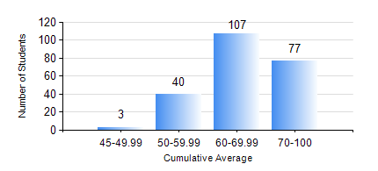
 |  |  | KWAME NKRUMAH UNIVERSITY OF SCIENCE AND TECHNOLOGY, KUMASI Department of Civil Engineering

 |  |  | BSC. CIVIL ENG.

 |  |  | COMPREHENSIVE RECORD OF EXAMINATION RESULTS

 |  |  | RESULTS OF YEAR 2 SECOND SEMESTER, 2019/2020 ACADEMIC YEAR

 | Sn | Course Code |  | Course Name | Credit Hours | Min. Mark | Max. Mark | Avg. Mark | Std. Dev. | No. Passed | No. Trailed | No. (Df) | No. (I) | No. (I*) | No. Tagged(I,I*,Df) | Total
 | 0. |  |  |  |  |  |  | 0 | 0 | 0 | 0 | 0 | 0 | 0 | 0 | 5
 | 1. | CE 256 |  | FLUID MECHANICS | 3 | 46 | 86 | 72 | 8.64 | 221 | 0 | 0 | 1 | 0 | 1 | 222
 | 2. | CE 260 |  | SOIL AND ROCK MECHANICS | 3 | 50 | 89 | 74 | 8.24 | 221 | 0 | 0 | 1 | 0 | 1 | 222
 | 3. | CE 264 |  | INTRODUCTION TO ENVIRONMENTAL ENGINEERING | 2 | 40 | 90 | 69 | 11.09 | 209 | 0 | 0 | 13 | 0 | 13 | 222
 | 4. | ENGL 264 |  | LITERATURE IN ENGLISH | 1 | 50 | 82 | 63 | 8.42 | 221 | 0 | 0 | 1 | 0 | 1 | 222
 | 5. | GE 282 |  | LARGE SCALE SURVEYING | 4 | 51 | 99 | 84 | 7.48 | 221 | 0 | 0 | 1 | 0 | 1 | 222
 | 6. | MATH 252 |  | ANALYSIS IV | 4 | 40 | 90 | 65 | 11.28 | 214 | 0 | 0 | 8 | 0 | 8 | 222

